#6
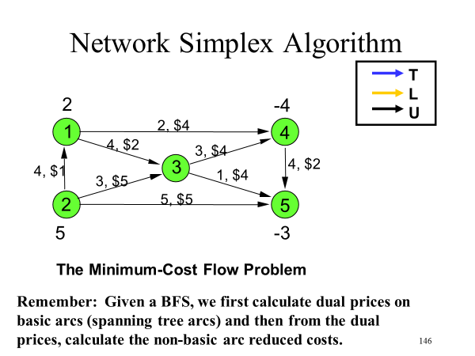
1. For the min cost flow network problem depicted starting on slide 145:
What is the cost vector c?
What is RHS vector b?
What is the constraint matrix A?

 | c | $2 | $4 | $1 | $5 | $5 | $4 | $4 | $2
 | nodes | (1,3) | (1,4) | (2,1) | (2,3) | (2,5) | (3,4) | (3,5) | (4,5) |  | b
 | 1 | -1 | -1 | 1 | 0 | 0 | 0 | 0 | 0 | = | 2
 | 2 | 0 | 0 | -1 | -1 | -1 | 0 | 0 | 0 | = | 5
A = | 3 | 1 | 0 | 0 | 1 | 0 | -1 | -1 | 0 | = | 0
 | 4 | 0 | 1 | 0 | 0 | 0 | 1 | 0 | -1 | = | -4
 | 5 | 0 | 0 | 0 | 0 | 1 | 0 | 1 | 1 | = | -3
 |  | Upper bounds - can be expressed in matrix - but often we separate constraints from bounds
 |  | 1 | 0 | 0 | 0 | 0 | 0 | 0 | 0 | <= | 4
 |  | 0 | 1 | 0 | 0 | 0 | 0 | 0 | 0 | <= | 2
 |  | 0 | 0 | 1 | 0 | 0 | 0 | 0 | 0 | <= | 4
 |  | 0 | 0 | 0 | 1 | 0 | 0 | 0 | 0 | <= | 3
 |  | 0 | 0 | 0 | 0 | 1 | 0 | 0 | 0 | <= | 5
 |  | 0 | 0 | 0 | 0 | 0 | 1 | 0 | 0 | <= | 3
 |  | 0 | 0 | 0 | 0 | 0 | 0 | 1 | 0 | <= | 1
 |  | 0 | 0 | 0 | 0 | 0 | 0 | 0 | 1 | <= | 4

